Indices

 | Iraq Stock Exchange
 | Bulletin No (146)
 | ISX Trading Indices of Sunday 23/8/2026

 | Traded Volume and OTC |  | 617,369,975 |  | Traded Value and OTC |  | 1,198,191,789 |  | Traders | 1176

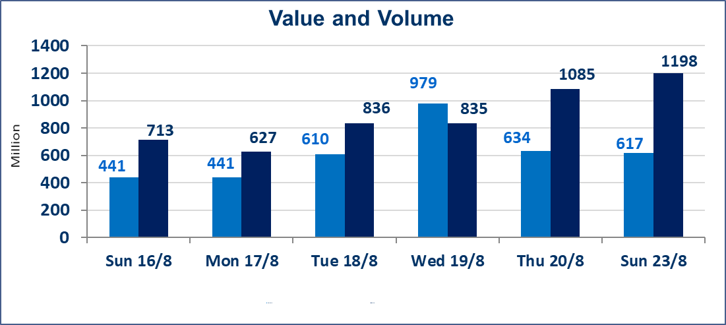
 | ISX Index 60 |  |  | 1012.81 | ISX Index 15 |  |  | 1246.59
 | Previous ISX Index60 |  |  | 1017.59 | Previous ISX Index15 |  |  | 1254.61
 | Change % |  |  | -0.47 | Change % |  |  | -0.64
 | Change |  |  | -4.78 | Change |  |  | -8.02

 | Listed Companies | 103 | OTC | 22 | Non Traded listed | 38 | OTC | 20
 | Traded Listed Companies | 41 | OTC | 2 | Higher Companies |  |  | 4
 | GAM Companies |  |  | 4 | Lower Companies |  |  | 11
 | Suspended Companies |  |  | 20
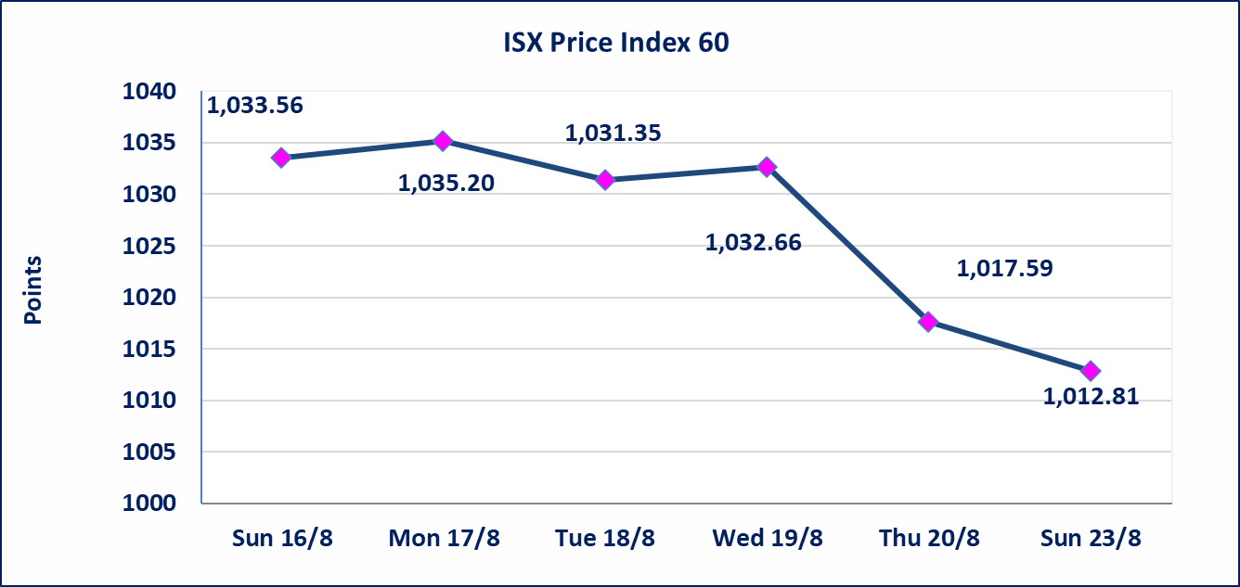
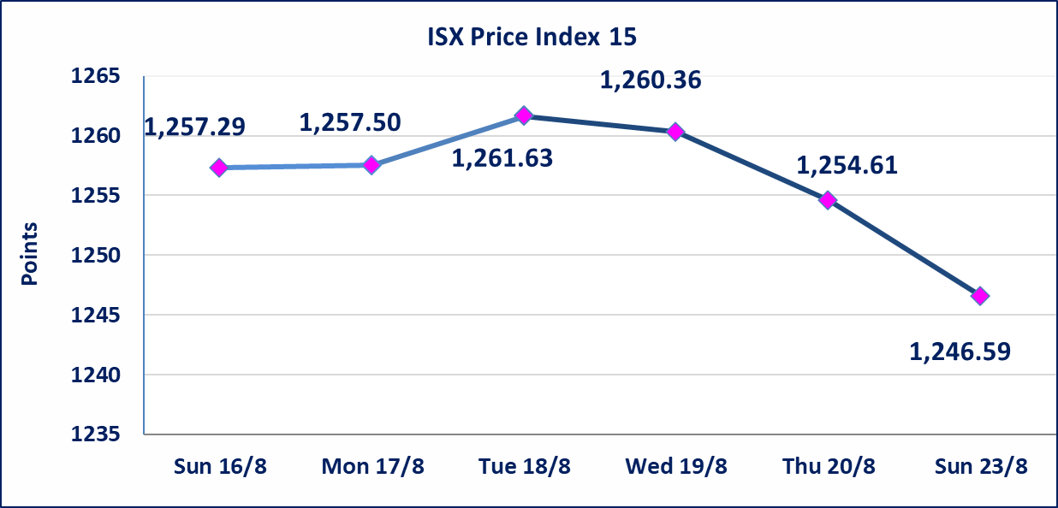

Al-Alwiya P.O . 3607 Mobile: 07711211522 - 07270094594 - 07834000034 E-mail: info-isx@isx-iq.net Web site:www.isx-iq.net

Top 5

ISX top ganing and losing companies
Sunday 23/8/2026
 | Gainers |  |  |  | Losers
 | Company Name | Closing Price | Change (%) | Traded Volume | Company Name | Closing Price | Change (%) | Traded Volume
 | Palestine Hotel | 19.850 | 6.04 | 235,755 | Al-Taif Islamic Bank | 0.760 | -5.00 | 220,390
 | Iraqi for Seed Production | 5.640 | 2.17 | 11,285,410 | Economy Bank | 0.250 | -3.85 | 68,013,928
 | Mansour Hotel | 67.000 | 1.21 | 49,443 | Iraqi Islamic Bank | 0.990 | -1.98 | 11,136,347
 | Baghdad Hotel | 12.210 | 0.08 | 784,171 | Baghdad -Iraq Transportation | 21.780 | -1.85 | 1,962,972
 |  |  |  |  | National Furniture Industries | 1.150 | -1.71 | 3,002,000
 | The most active companies in term of traded volume and value

 | Traded Volume |  |  |  | Traded Value
 | Company Name | Closing Price | Change (%) | Traded Volume | Company Name | Closing Price | Change (%) | Traded Value
 | Al -Mansour Bank | 2.130 | -0.93 | 252,439,283 | Al -Mansour Bank | 2.130 | -0.93 | 542,314,233
 | Economy Bank | 0.250 | -3.85 | 68,013,928 | Asia Cell Telecommunication | 15.750 | -0.88 | 215,440,204
 | Investment Bank of Iraq | 0.380 | 0.00 | 61,074,586 | National Bank of Iraq | 3.830 | -1.29 | 86,598,312
 | National Bank of Iraq | 3.830 | -1.29 | 22,509,079 | Iraqi for Seed Production | 5.640 | 2.17 | 63,292,180
 | Al -Khazer Construction Materials | 1.250 | -0.79 | 16,501,000 | Baghdad -Iraq Transportation | 21.780 | -1.85 | 42,763,954

Top Five by Volume
 | الشركات الأكثر تداول من حيث عدد الاسهم
Al -Mansour Bank | 252439283 | 442192793 | 442192793
Economy Bank | 68013928 | 194000000 | 194000000
Investment Bank of Iraq | 61074586 | 189906866 | 189906866
National Bank of Iraq | 22509079 | 53771380 | 53771380
Al -Khazer Construction Materials | 16501000 | 41834293 | 41834293
Top Five by Value
 | الشركات الأكثر تداول من حيث قيمة التداول
Al -Mansour Bank | 542314232.82
Asia Cell Telecommunication | 215440204.2
National Bank of Iraq | 86598312.34
Iraqi for Seed Production | 63292179.75
Baghdad -Iraq Transportation | 42763954.27

Non Iraqis

Iraq Stock Exchange
Non Iraqis' Bulletin Sunday Aug 23 2026
Regular Market

Non Iraqi Trading of Regular Market (Buy)
Company Names | Code | No.of trades | Traded Shares | Trading Volume
Banks Sector
Bank Of Baghdad | BBOB | 17 | 4,000,000 | 12,480,000
National Bank Of Iraq | BNOI | 1 | 83,200 | 321,984
Total Bank sector |  | 18 | 4,083,200 | 12,801,984
Grand Total |  | 18 | 4,083,200 | 12,801,984

Non Iraqi Trading of Regular Market (Sell)
Company Names | Code | No.of trades | Traded Shares | Trading Volume
Telecommunication Sector
Asia cell | TASC | 82 | 9,223,495 | 146,001,991
Total Telecommunication sector |  | 82 | 9,223,495 | 146,001,991
Grand Total |  | 82 | 9,223,495 | 146,001,991

Not Trading Bonds

Iraq Stock Exchange
Sunday 23/8/2026
Not Trading Bonds Bulletin
Bond type | Publish type | Code | last trading price | immortilize date
Banaa Bonds /Million ID | Second | CB20 | 964,981 | 19/12/2025
Eamar Bonds /Million ID | First | CB30 | 1,001,095 | ــــــــــــــــ
Eamar Bonds /Million ID | Second | CB40 | ــــــــــــــــ | ــــــــــــــــ
Eamar Bonds /500 Thousand ID | Third | CB45 | ــــــــــــــــ | ــــــــــــــــ
Eamar Bonds /Million ID | Third | CB50 | ــــــــــــــــ | ــــــــــــــــ
Injaz Bonds /500 Thousand ID | First | CB55 | ــــــــــــــــ | ــــــــــــــــ
Injaz Bonds /500 Thousand ID | Second | CB65 | 515,493 | ــــــــــــــــ
Injaz Bonds /Million ID | First | CB60 | 951,110 | ــــــــــــــــ
Injaz Bonds /Million ID | Second | CB70 | 965,050 | ــــــــــــــــ
Injaz Bonds /500 Thousand ID | Third | CB75 | ــــــــــــــــ | ــــــــــــــــ
Injaz Bonds /Million ID | Third | CB80 | 978,182 | ــــــــــــــــ
National Bonds/Million ID | First | CB90 | ــــــــــــــــ | ــــــــــــــــ
National Bonds/500 Thousand ID | Second | CB95 | ــــــــــــــــ | ــــــــــــــــ
National Bonds/Million ID | Second | CB100 | ــــــــــــــــ | ــــــــــــــــ

